Workflow
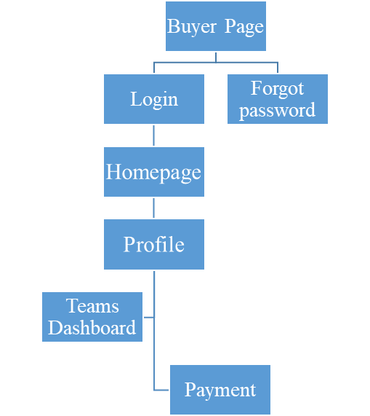
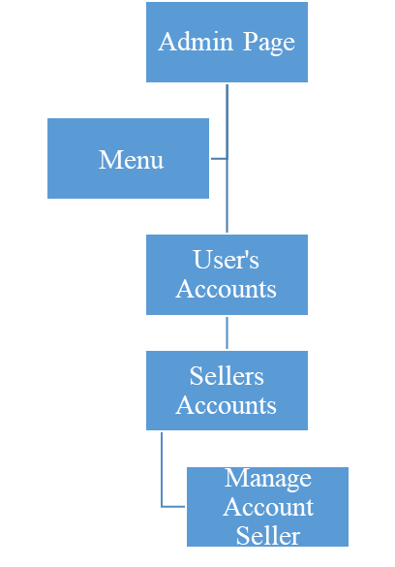
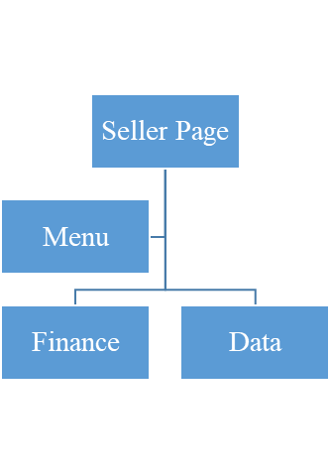
Project: | ILUVIT- E-commerce website | Version | 0.1 | Sprint | 2
Team: | G11 | Reviewed by | Nguyen Thi Lan Nhi
Document: | Sitemap | Approved by | Nguyen Thi Lan Nhi

Workflow for ILUVIT- E-commerce website

8.Notifications
Project: |  | Version | 0.1 | Sprint | 2
Team: |  | Reviewed by
Document: | Sitemap | Approved by

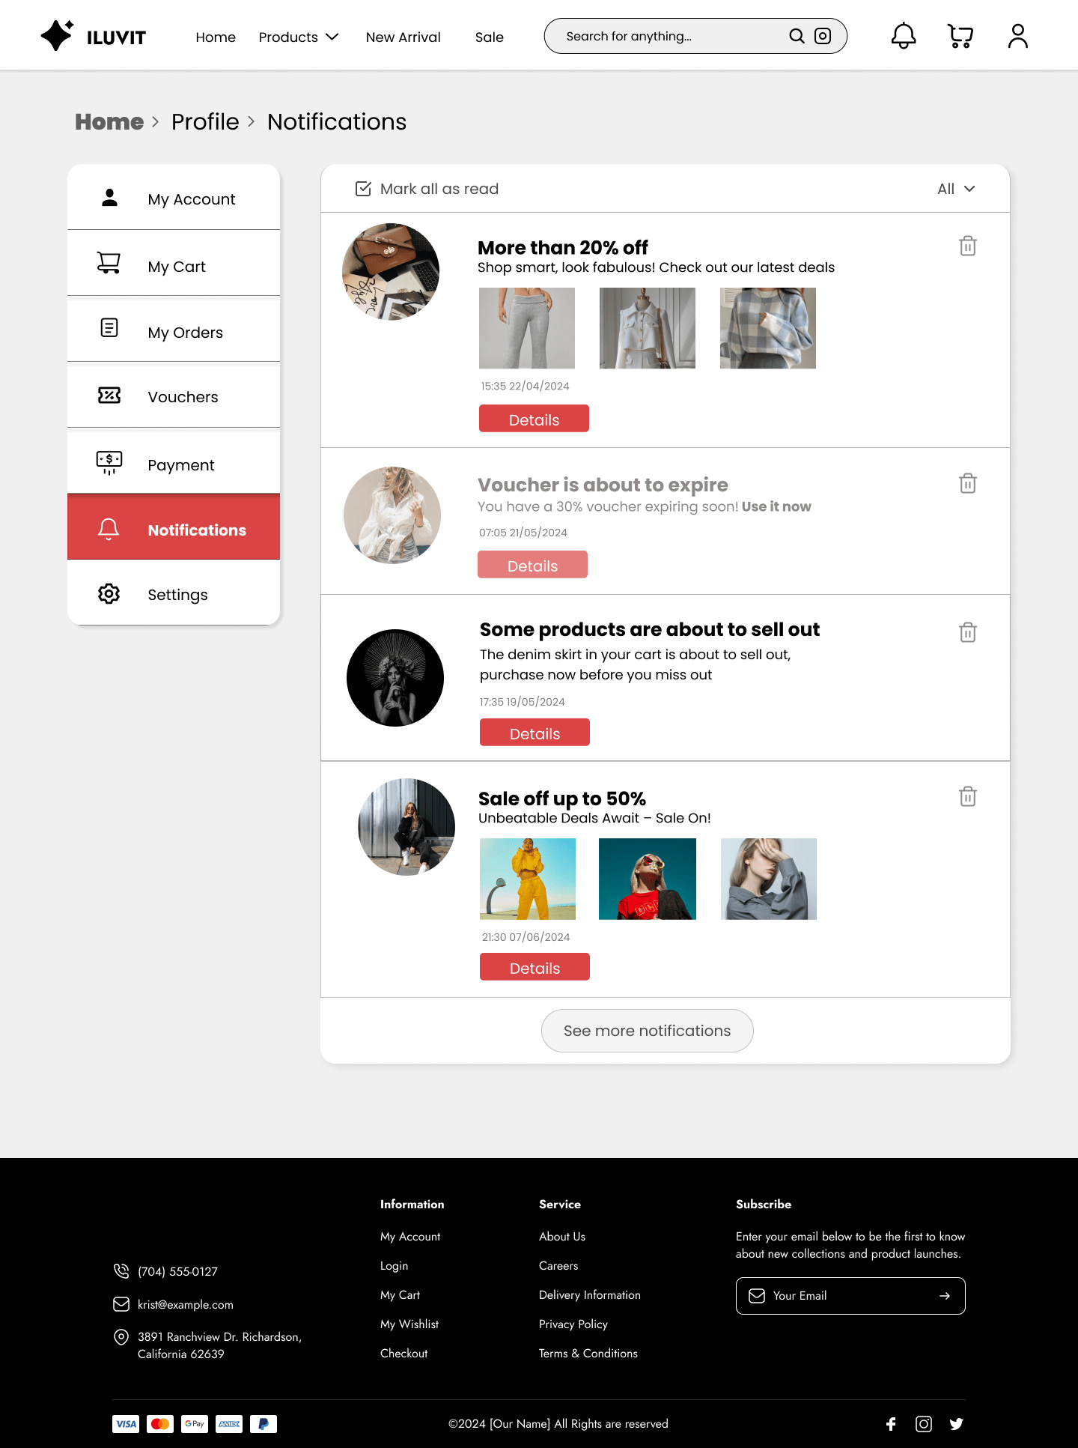
 |  |  | Click here to see user account
 |  |  |  |  |  |  | Click here to see all notifications

 |  |  |  |  |  |  | Click here to delete products
 |  |  | Click here to see user's card

 |  | Click here to see User's Orders |  |  |  | Click here to see details products

 | Click here to see Vouchers section

 | Click here to see Payment section

 | Click here to see Notifications section

 |  | Click here to see Settings

 |  |  |  |  |  | Click here to see more notifications

28. Manage Orders
Project: |  | Version | 0.1 | Sprint | 2
Team: |  | Reviewed by
Document: | Sitemap | Approved by

 |  |  |  |  | Click here to see visitors
 |  | Click here to see revenue |  | Click to see orders |  | Click here to see page views

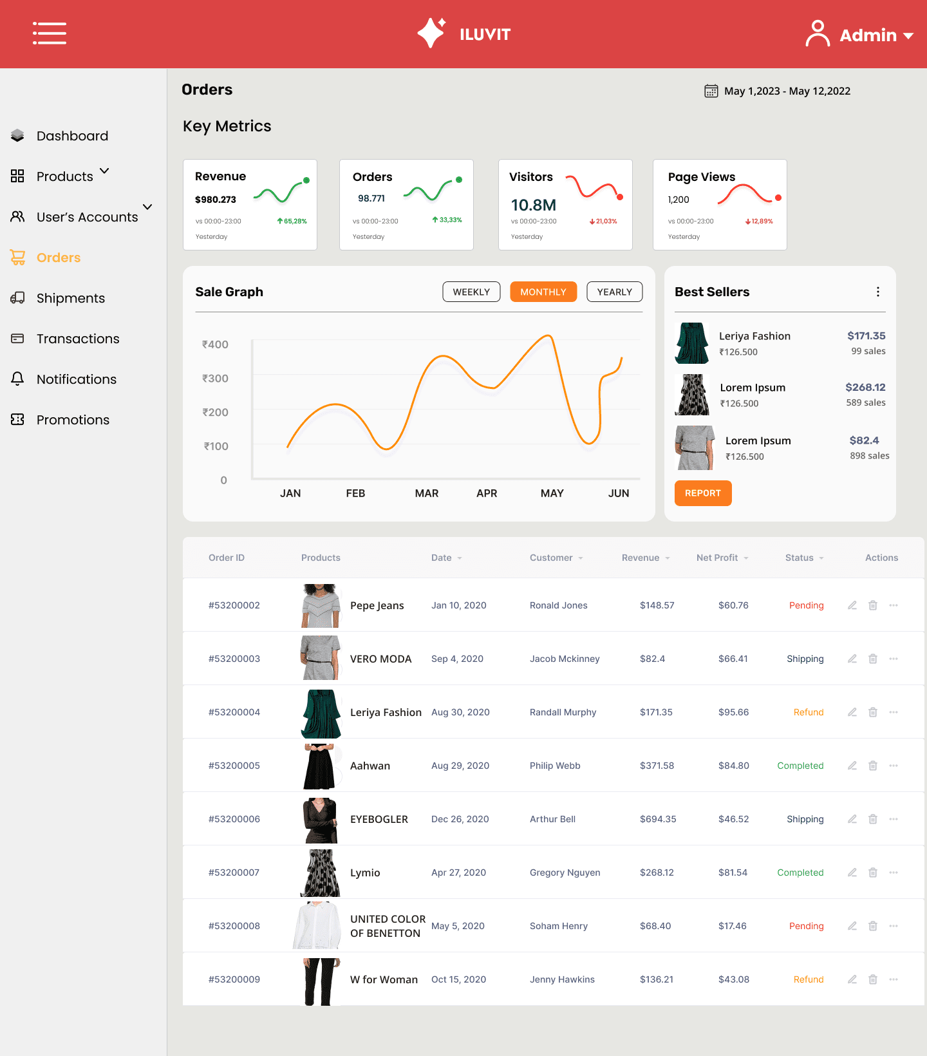

 |  |  |  |  |  |  | Admin can see best seller products

 |  |  |  |  |  |  | Admin can see the Orders placed, shipments, prices, and profits
Admin can see sale grap

22. Promotion
Project: |  | Version | 0.1 | Sprint | 2
Team: |  | Reviewed by
Document: | Sitemap | Approved by

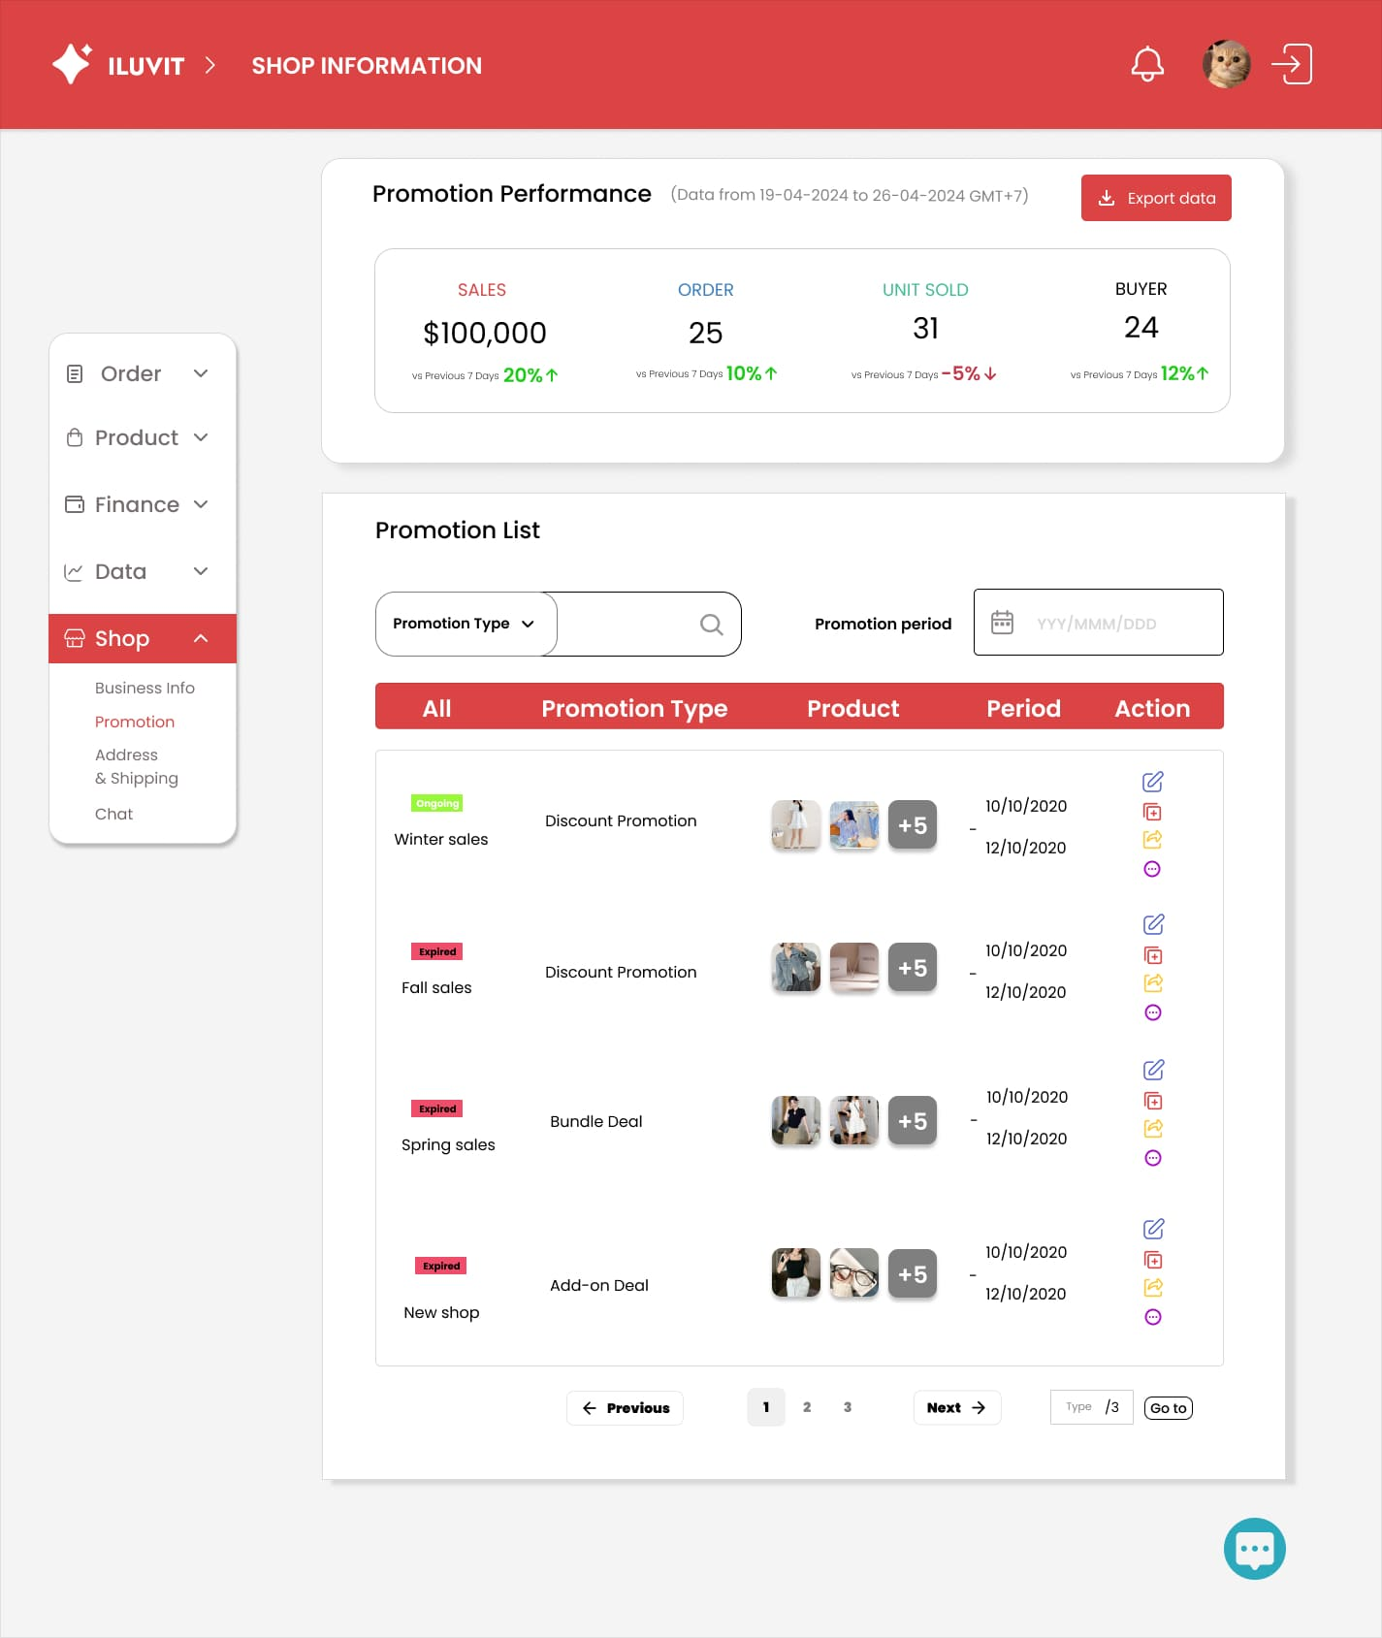

 |  |  |  |  |  |  | Click Export data, data in promotion performance will save in desktop

 |  |  |  |  |  |  | Click on calendar icon, user can choose promotion period
 |  |  | Click arrow, display options, include promotion type, promotio name and status |  |  |  | Click on the text to enter period by keyboard

 |  |  | Click on Promotion to redirect Promotion page

 |  |  |  |  |  | Edit icon is used to edit promotion
 |  |  |  |  |  | Copy icon is used to copy promotion

 |  |  |  |  |  | Share icon is used to share promotion

 |  |  |  |  |  | Click this icon to know more information about promotion

 |  |  |  |  |  |  | Click here to chat

26. Chat Management
Project: |  | Version | 0.1 | Sprint | 2
Team: |  | Reviewed by
Document: | Sitemap | Approved by

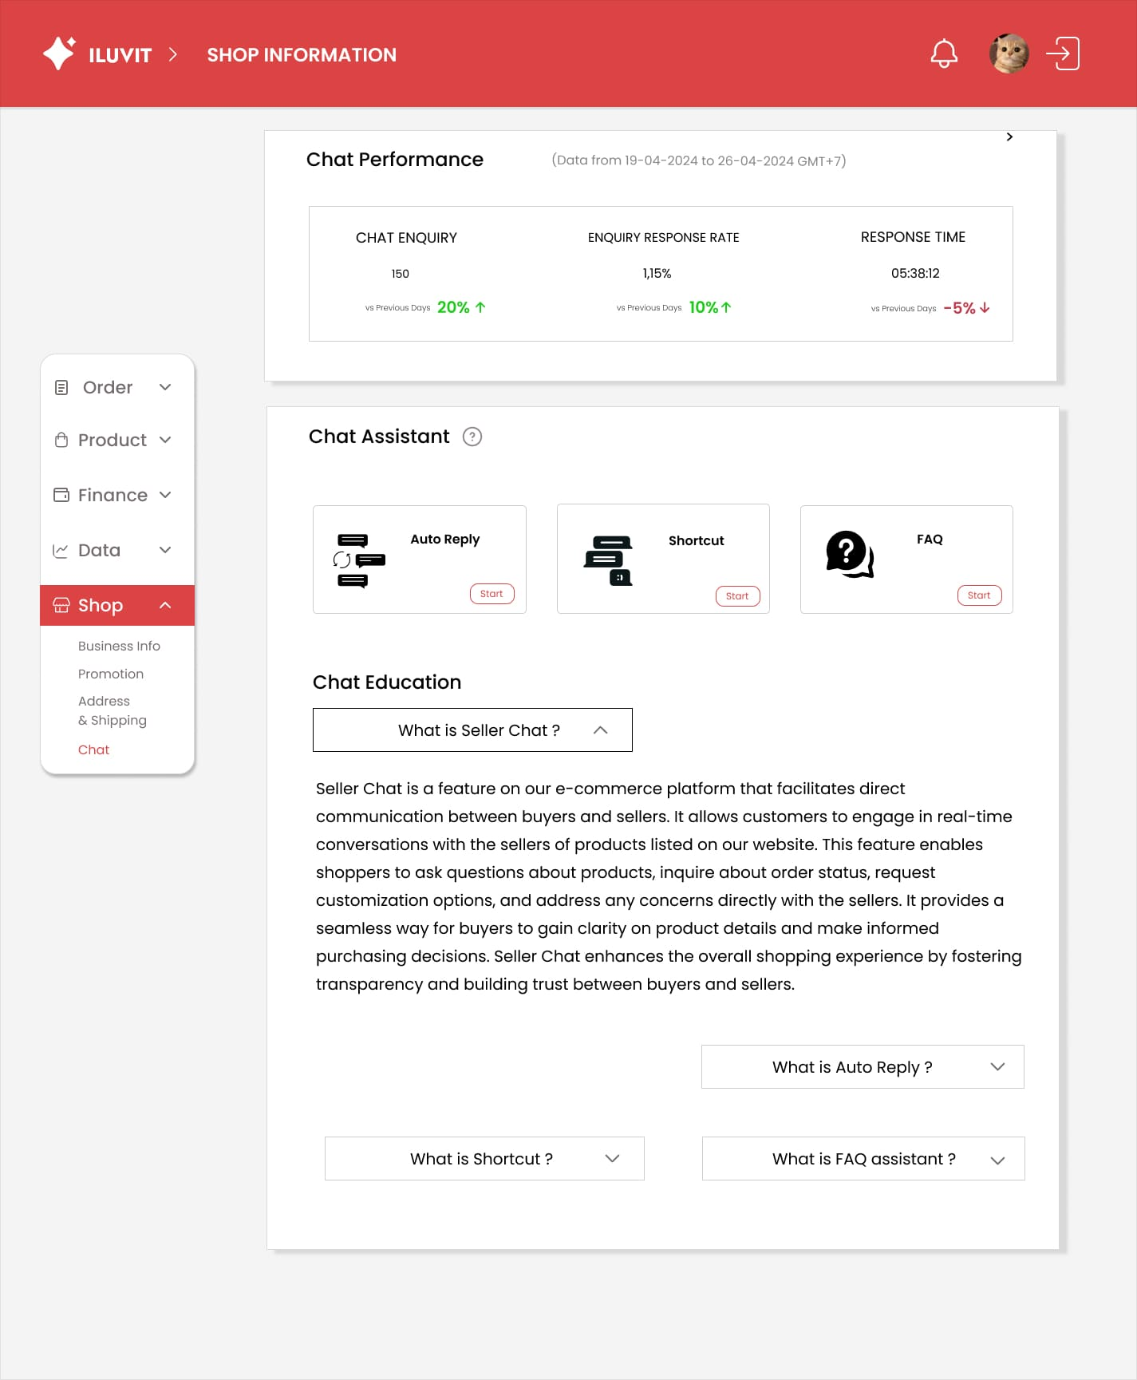

 |  | Clicking on the question mark will display instructions for using autoreply, shortcuts and FAQs

 |  | When click "What is Seller Chat?", detailed information about Seller Chat will display

41. Management Shipment Detail
Project: |  | Version | 0.1 | Sprint | 2
Team: |  | Reviewed by
Document: | Sitemap | Approved by

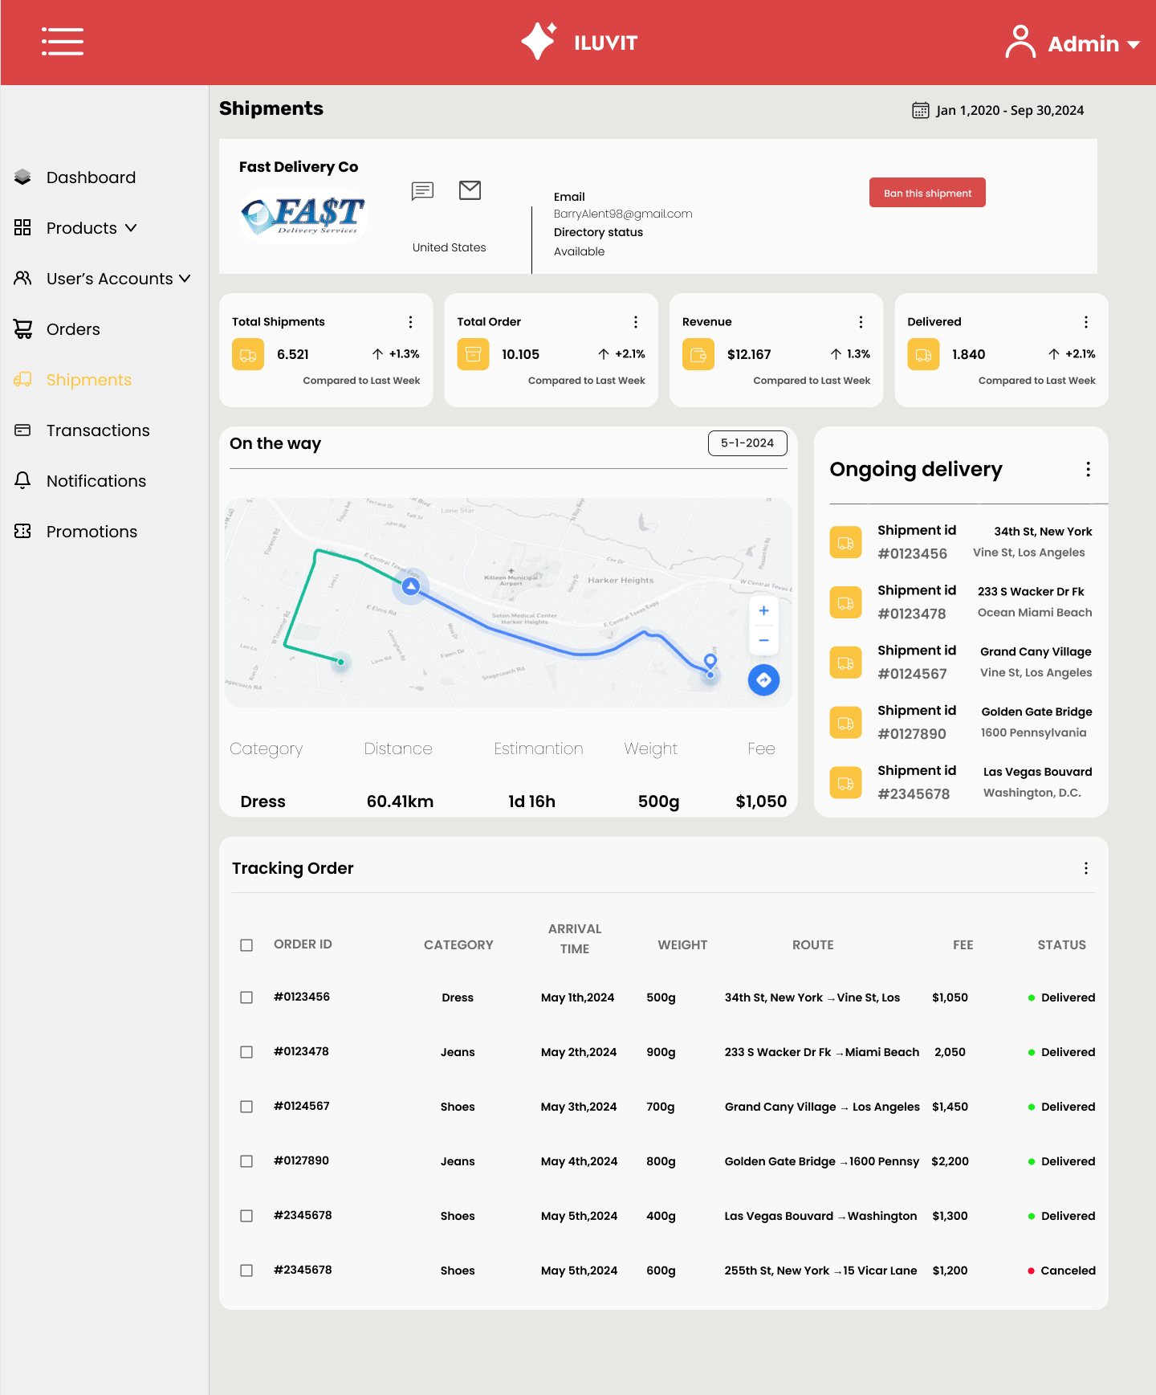

 |  |  |  |  |  | Click here to ban this shipment

 |  |  |  |  |  |  | Admin can view the total shipment, total order, revenue, delivered

Click on Shipment
 |  |  |  |  |  | Click here to see ongoing delivery

Admin can see the graph of shipment

 |  |  |  |  |  | Show the tracking order

42. Unban User
Project: |  | Version | 0.1 | Sprint | 2
Team: |  | Reviewed by
Document: | Sitemap | Approved by

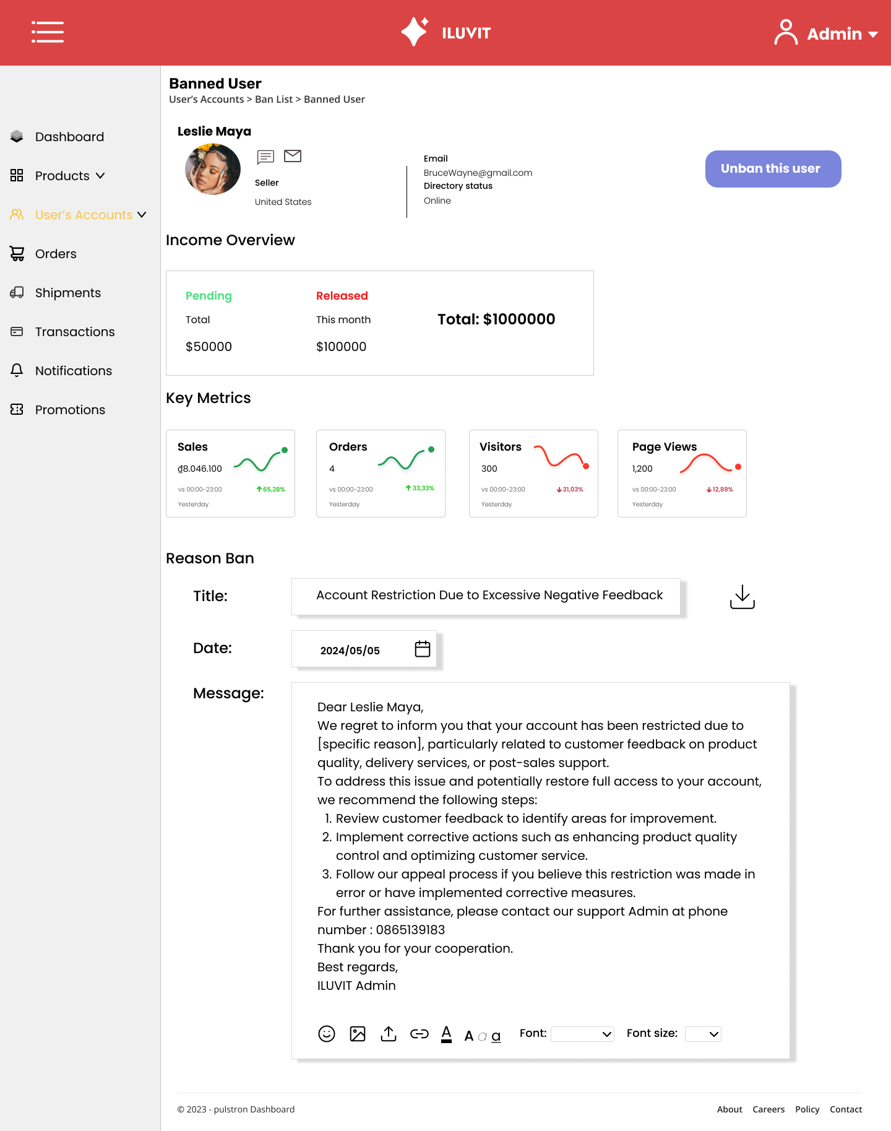

 |  |  |  |  |  | Click here to unban user
 |  | Go to user's accounts

 | See the income overview

 |  |  |  |  |  | Click to download ban information

 | Click here to write the title

 |  | Click here to choose date

 |  |  |  |  |  | Click here to add image, file, document, and change front size
 | Click here to type message

